E-1
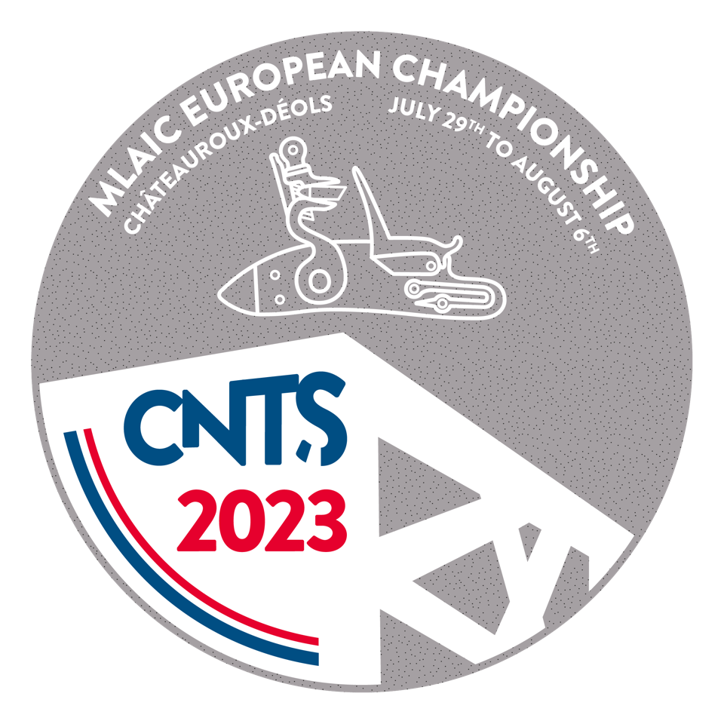


XIX MLAIC European Championships July 30 to August 6, 2023

Form E - 1
Please return this form at the latest until May 27th, 2023 |  |  |  | E-mail :

Country : |  |  | Federation / Association :

M.L.A.I.C. Delegate or Team Captain
Name
Address
E-mail
Phone
Fax

Participants / Nominations |  | Number |  | Fee (€) | Total (€)
Shooters |  |  |  | 95.00 € | - €
Individual Target Competition |  |  |  | 35.00 € | - €
Individual Clay Competition |  |  |  | 40.00 € | - €
Team Competition |  |  |  | 40.00 € | - €
Closing Banquet |  |  |  | 60.00 € | - €
Weapons storage / person |  |  |  | 20.00 € | - €
Total (€) |  |  |  |  | - €

Payment deadline : 10th June 2023

Account Name Federation Francaise de Tir Bank CA DU CENTRE OUEST - Branch AGENCE ENTREPRISES 36 Account No 19506 40000 28111656292 34 IBAN FR7619506400002811165629234 - SWIFT AGRIFRPP895

Date : | Signature Team Captain :

