F-3
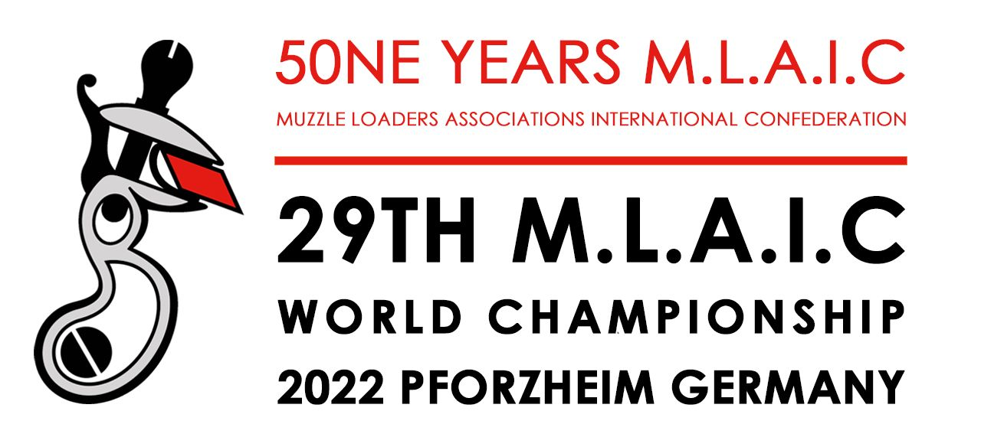

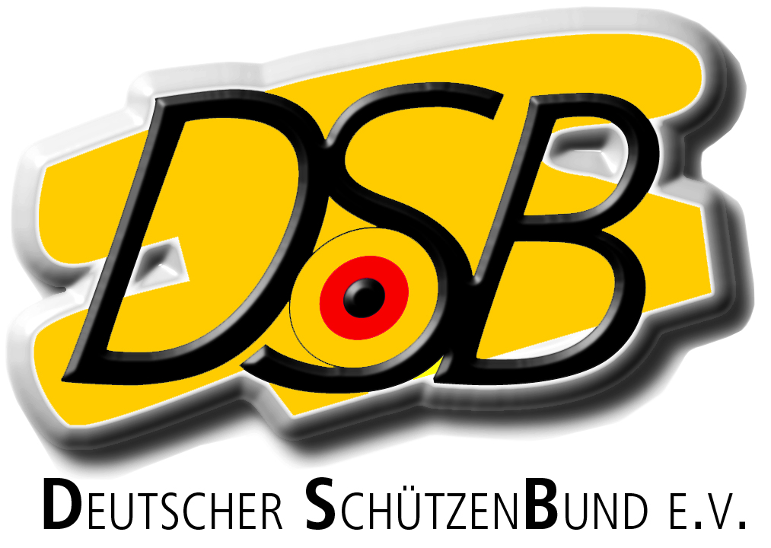

XXIX. MLAIC World Championships August 14th-20th 2022

 | FORM - F2 : FINAL ENTRY FORM - POWDER AND CAPS

Please return this form at the latest until June 15th, 2022 |  |  |  |  |  |  |  | E-Mail: |  |  |  | wm.mlaic@dsb.de

COUNTRY |  |  |  |  | FEDERATION / ASSOCIATION NAME

CONTACT NAME IN HOME COUNTRY:
tel.: |  |  |  | fax: |  |  |  |  |  | e-mail:

BLACK POWDER REQUIREMENTS
 |  |  |  |  |  | €/Pack |  |  | Packs |  |  | Kg |  | Euros
 | Nº 1 | SWISS POWDER (1 Kg Pack) |  |  |  | 93.00 |  |  | 0 |  |  | 0.00 |  | 0.00 €

 | Nº 2 | SWISS POWDER (1 Kg Pack) |  |  |  | 93.00 |  |  | 0 |  |  | 0.00 |  | 0.00 €

 | Nº 3 | SWISS POWDER (1 Kg Pack) |  |  |  | 93.00 |  |  |  |  |  | 0.00 |  | 0.00 €

 | Nº 4 | SWISS POWDER (1 Kg Pack) |  |  |  | 93.00 |  |  |  |  |  | 0.00 |  | 0.00 €

 | OB | SWISS POWDER (250 g Pack) |  |  |  | 70.00 |  |  |  |  |  | 0 |  | 0.00 €

 |  |  |  |  |  |  |  |  |  |  | TOTAL |  | 0.00 €

CAPS REQUIREMENTS
 |  |  |  |  |  |  |  |  | €/Box |  |  | BOXES |  | Euros
 | 1075 | RWS - RED (Pistol and Rifle) Box 250 un. |  |  |  |  |  |  | 12.50 |  |  | 0 |  | 0.00 €

 | 1075P | RWS - GREEN (Pistol and Rifle) Box 250 un. |  |  |  |  |  |  | 12.50 |  |  | 0 |  | 0.00 €

 | 1081 | RWS - MUSKET Box 200 un. |  |  |  |  |  |  | 15.00 |  |  | 0 |  | 0.00 €

 |  |  |  |  |  |  |  |  |  |  | TOTAL |  | 0.00 €

LEAD SHOT
 |  |  |  |  |  |  |  |  | €/Pack |  |  | Packs |  | Euros
 | Lead shot nº 7,5 (2,37 mm) (10 Kg) |  |  |  |  |  |  |  | 45.00 |  |  | 0 |  | 0.00 €

 | Price indicated is subject to change |  |  |  |  |  |  |  | 0.00 |  |  | 0 |  | 0.00 €

 |  |  |  |  |  |  |  |  |  |  | TOTAL |  | 0 €

 |  |  |  |  |  |  |  |  | TOTAL PRICE (EUR) |  |  |  | 0.00 €

Payment deadline: June 30th, 2022

Bank: |  |  | Wiesbadener Volksbank
IBAN: |  |  | DE04510900000008808805
Swift/BIC: |  |  | WIBADE5W
Beneficiary; |  |  | Deutscher Schützenbund (DSB) - German Sport Shooting & Archery Federation Lahnstrasse 120, D-65195 Wiesbaden/Germany

Date: |  |  |  |  |  |  | Signature Team Captain

